Sheet1
 |  | Document No. | Issue No. | Issue Date |  | Review and Replace Date |  | Authorised By
 |  | GFF290MC | 2 | 22.06.2019 |  | 22.09.2021 |  | Magda Shah
 |  | Document Title | 4 ONION BHAJI 160G
Document amendments reason for change |  | tray changed to 2171-1F - FROST |  |  | Previous Issue Date |  | 22.06.2019 | Uncontrolled copy unless signed original

FOBHC3-R8TCO | COOK |  | 4 ONION BHAJI 160G | FROZEN

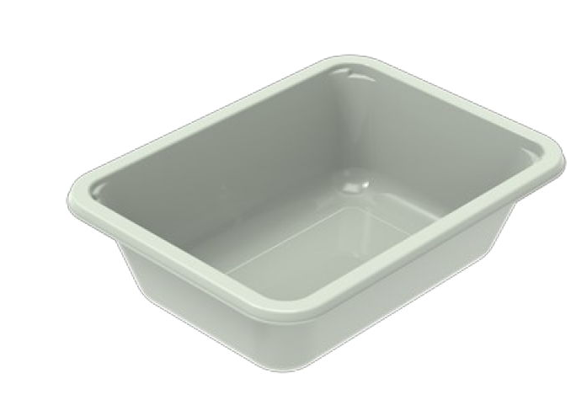 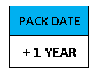  |  |  |  |  | 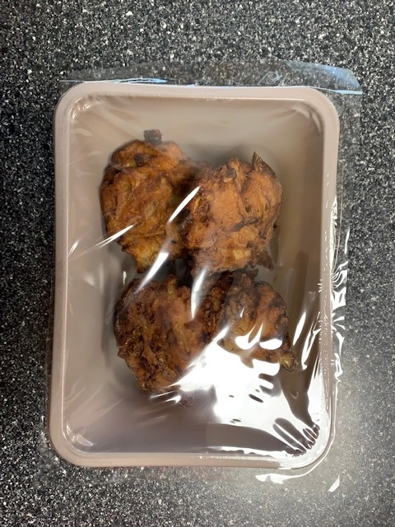

PROCESS TO FOLLOW:
- Blast freeze Onion Bhaji up to -10°C BEFORE packing
- Pack 4 onion bhjais in correct tray (NO GAS)
- Immediately send to sleeving for sleeves & BB date application
- Once sleeves applied, product to be placed in a cage and sent immedniately to Blast Freezer - Dispatch

NEW RECIPE

Tray: EVOLVE CPET 2171-1F FROST (PKRHP001-14) |  |  |  |  | 4 x Onion Bhaji Mild (GFF369R) 40g
Film: K-Peel 75G + AF 25 250mm (PKKMP001-01) |  |  |  |  | Total Weight : 160g
ALLERGY ALERT: none

